Question 21 Supplemental
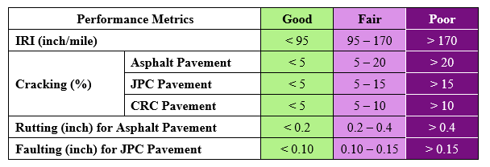
Directions:
If your project rehabilitates pavement, please include the current condition of the pavement Good, Fair or Poor (See Metrics Below*) and describe how the project preserves existing infrastructure. If the project preserves other types of capital infrastructure, please describe how.

*Please provide agencies method of pavement condition determination as we understand it may differ from the metrics provided through the Federal Performance Measure Program.

Preservation Description: | Summary | Before | After
 | IRI
 | Cracking
 | Rutting
 | Faulting
 | OTHER:

Federal Pavement Performance Metrics and Measures Criteria

