Question 21 Supplemental
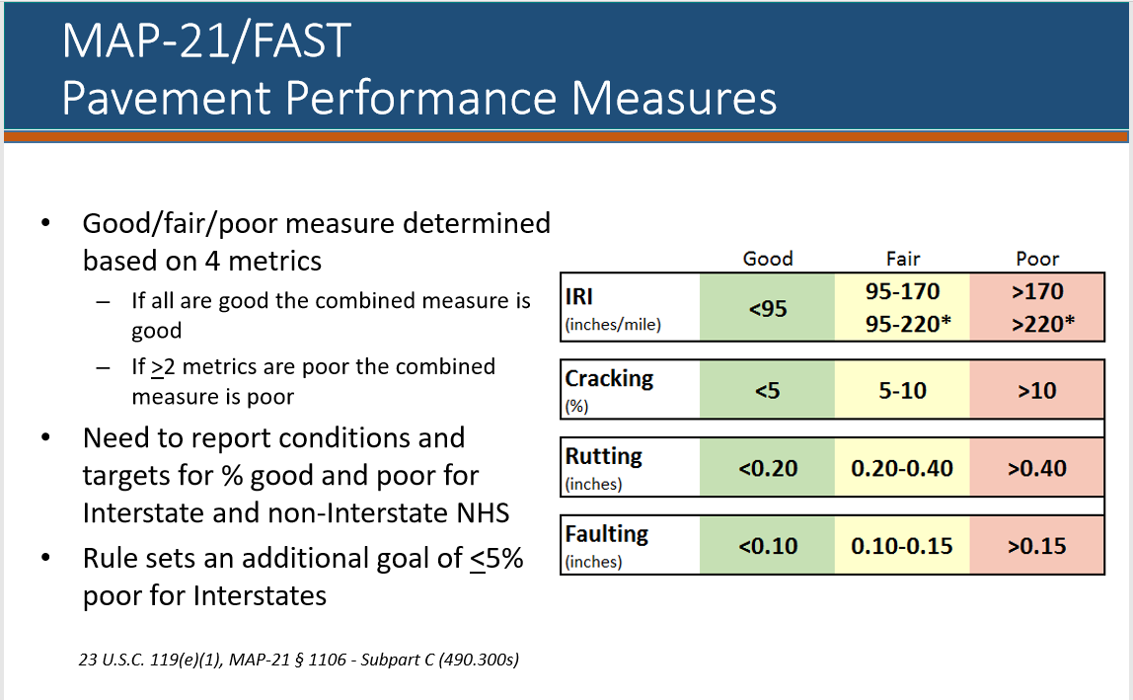
Directions:
If your project rehabilitates pavement, please include the current condition of the pavement Good, Fair or Poor (See Metrics Below) and describe how the project preserves existing infrastructure. If the project preserves other types of capital infrastructure, please describe how.

 | Before | After | Preservation Description:
IRI
Cracking
Rutting
Faulting

